8.4
a) |  | Estimated Profit/Day
Prod | Actual Profit/Day | (P = $100R - $5R^2) | Error
0 | $0 | $0 | $0
1 | $95 | $95 | $0
2 | $184 | $180 | $4
3 | $255 | $255 | $0
4 | $320 | $320 | $0
 |  | R Squared | 0.9945610 | =RSQ(C3:C7,A3:A7)

b) |  | Estimated Profit/Day
Prod | Actual Profit/Day | (P = $104R - $6R^2) | Error
0 | $0 | $0 | $0
1 | $95 | $98 | $3
2 | $184 | $184 | $0
3 | $255 | $258 | $3
4 | $320 | $320 | $0
 |  | R Squared | 0.9921865 | =RSQ(C12:C16,A12:A16)

c) The first quadratic function $100R – 5R^2 provides a slightly better fit to all the data.

8.9
Let
R₁ = the production rate of product 1 per hour R₂ = the production rate of product 2 per hour
Maximize Profit = $200R₁ – $100R₁² + $300R₂ – $100R₂²
subject to R₁ + R₂ ≤ 2 (maximum total production rate)
and R₁ ≥ 0, R₂ ≥ 0.

Unit Profit = a(Rate) + b(Rate)2, where
 | Product 1 | Product 2
a | $200 | $300
b | -$100 | -$100

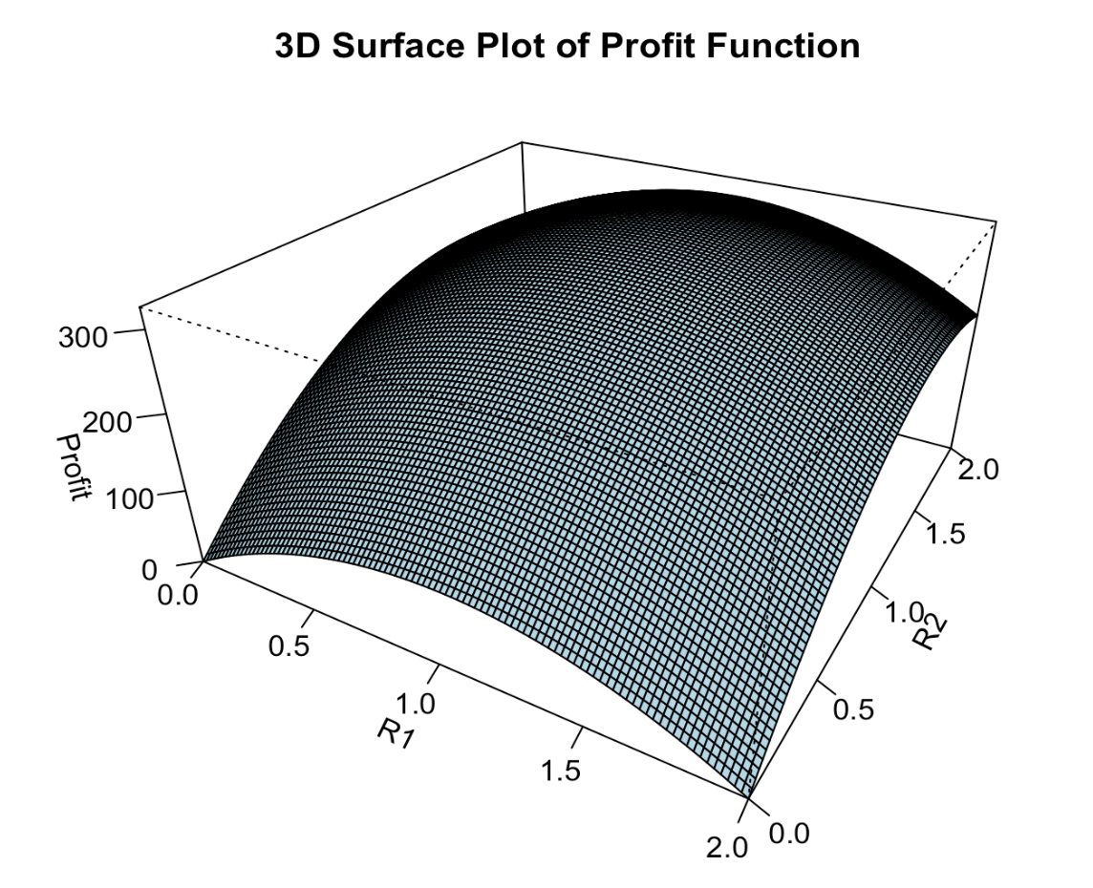
 | Product 1 | Product 2 | Total | Total Profit
Production Rate | 0.75 | 1.25 | 2 | $313 | =(B13*B17+B14*B17^2)+(C13*C17+C14*C17^2)
 |  |  | <=
 |  |  | 2

c. QP Convex
For minimization problems, a convex objective function would resemble a "bowl," where the function curves upwards. The global minimum would be at the bottom of the bowl.
For maximization problems, a convex objective function would resemble an "upside-down bowl," where the function curves downwards. The global maximum would be at the peak of the bowl.
This can be visualized in R.

8.19a
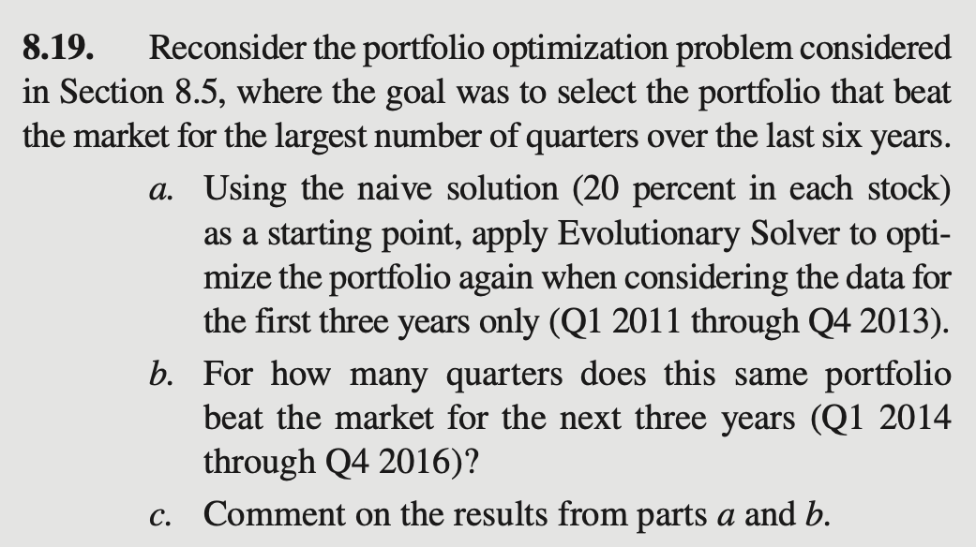
Beating the Market (Evolutionary Solver)
 |  |  |  |  |  |  |  |  | Beat | Market
 | Quarter | Year | DIS | BA | GE | PG | MCD | Return | Market? | (NYSE)
 | Q4 | 2016 | 13.10% | 19.08% | 7.47% | -5.59% | 6.34% | 12.03% | Yes | 3.13%
 | Q3 | 2016 | -4.38% | 2.28% | -5.17% | 1.32% | -3.39% | -0.57% | No | 2.21%
 | Q2 | 2016 | -1.50% | 3.14% | -0.23% | 9.35% | -3.55% | 0.45% | No | 2.77%
 | Q1 | 2016 | -5.49% | -11.39% | 2.87% | 4.55% | 7.19% | -2.30% | No | 0.63%
 | Q4 | 2015 | 3.47% | 11.10% | 24.46% | 11.37% | 20.84% | 15.34% | Yes | 3.51%
 | Q3 | 2015 | -9.94% | -4.99% | -4.25% | -7.30% | 4.55% | -1.33% | Yes | -9.31%
 | Q2 | 2015 | 8.82% | -6.98% | 8.03% | -3.75% | -1.58% | -3.57% | No | -0.86%
 | Q1 | 2015 | 11.37% | 16.18% | -0.94% | -9.41% | 4.90% | 9.52% | Yes | 0.55%
 | Q4 | 2014 | 7.14% | 2.63% | -0.42% | 9.61% | -0.30% | 1.81% | Yes | 1.27%
a) Answers may vary since Evolutionary Solver is based on randomness. The solution here beat the NYSE in 10 of the 12 quarters for 2011-2013.
b) This solution beats the market in only 6 quarters for the next three years (half of the 12 quarters).
c) The optimized solution for years 2011 through 2013 is not necessarily a great solution for the years 2014 through 2016. (Past performance is no guarantee of future earnings.)
 | Q3 | 2014 | 3.83% | 0.72% | -1.67% | 7.41% | -5.07% | -1.30% | Yes | -2.52%
 | Q2 | 2014 | 7.08% | 1.96% | 2.30% | -1.71% | 3.59% | 2.61% | No | 4.29%
 | Q1 | 2014 | 4.81% | -7.54% | -6.83% | -0.25% | 1.89% | -2.91% | No | 1.23%
 | Q4 | 2013 | 19.93% | 16.59% | 18.33% | 8.53% | 1.70% | 10.27% | Yes | 8.10%
 | Q3 | 2013 | 2.12% | 15.23% | 3.80% | -1.08% | -2.04% | 6.53% | Yes | 5.58%
 | Q2 | 2013 | 11.18% | 19.93% | 1.08% | 0.65% | 0.09% | 9.90% | Yes | 0.06%
 | Q1 | 2013 | 14.07% | 14.66% | 11.06% | 14.42% | 13.92% | 14.20% | Yes | 7.86%
 | Q4 | 2012 | -3.29% | 8.94% | -6.74% | -1.31% | -2.99% | 2.60% | Yes | 2.33%
 | Q3 | 2012 | 7.78% | -5.76% | 9.81% | 14.22% | 4.46% | 0.40% | No | 5.76%
 | Q2 | 2012 | 10.80% | 0.49% | 5.01% | -8.10% | -9.05% | -3.35% | Yes | -4.94%
 | Q1 | 2012 | 16.74% | 1.99% | 13.05% | 1.56% | -1.53% | 1.40% | No | 9.76%
 | Q4 | 2011 | 26.43% | 21.99% | 18.83% | 6.45% | 15.11% | 18.43% | Yes | 10.09%
 | Q3 | 2011 | -22.76% | -17.60% | -18.56% | 0.19% | 4.84% | -7.74% | Yes | -18.36%
 | Q2 | 2011 | -9.39% | 0.54% | -5.13% | 4.07% | 11.64% | 4.73% | Yes | -1.02%
 | Q1 | 2011 | 14.87% | 13.94% | 10.39% | -3.55% | -0.06% | 7.25% | Yes | 5.54%

 |  |  | 0% | 0% | 0% | 0% | 0%
 |  |  | <= | <= | <= | <= | <= | Sum
 |  | Portfolio | 3.1% | 47.4% | 3.7% | 5.0% | 40.9% | 100% | = | 100%
 |  |  | <= | <= | <= | <= | <=
 |  |  | 100% | 100% | 100% | 100% | 100% |  | Number of Quarters
 |  |  |  |  |  |  |  |  | Beating the Market
 |  |  |  |  |  |  |  |  | (2011-2013)
 |  |  |  |  |  |  |  |  | 10

